Example_DubCards

Figure 1.1 - "Standard" example of a Korean dub card used against a NETFLIX deliverable


Figure 1.2 - "Standard" example of a Spanish (Latin) dub card used against a NETFLIX deliverable
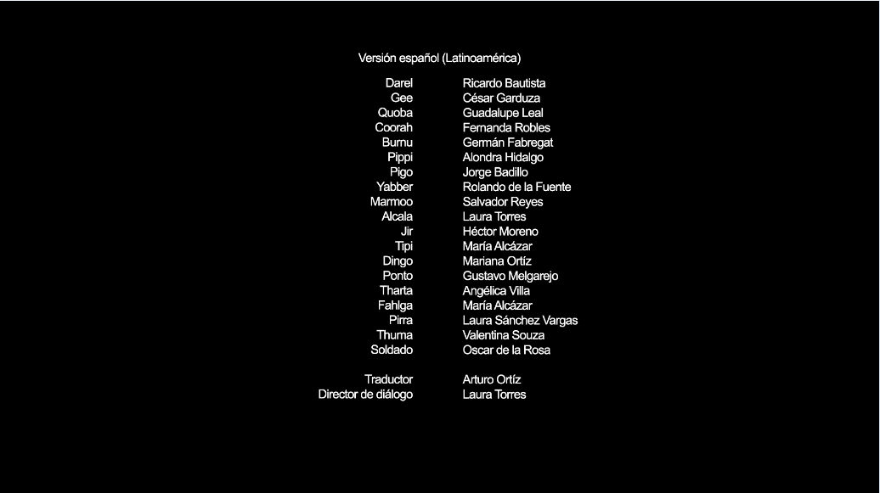

Figure 1.3 - "Special" example of a French dub card utilizing Dubbing Brothers' (external vendor) format

